Sheet1
Bug ID | Title | Module | Environment | Preconditions | Steps to Reproduce | Expected Result | Actual Result | Severity | Priority | Attachments (Screenshot/Video)
Bug_001 | Member loses board access when role is switched back to Member from Admin | Authentication & RBAC | Trello (Web)-Chrome- Windows 11 | Workspace with at least 1 Admin + 1 invited Member; at least 1 board exists | 1. Admin invites a Member into Workspace 2. Verify Member can view the board 3. Admin changes Member’s role → Admin 4. Verify Member now has full Admin access 5. Admin changes role back → Member 6. Member logs in / refreshes | Member should retain visibility of all boards they were added to, with permissions downgraded to Member level only. | All boards disappear from the Member’s account, despite the user still being listed under the Workspace. | High | P1 | https://drive.google.com/drive/folders/1tn2rCkfu8AiNi9HoLk_pfAPOrQZheFj4
Bug_002 | Newly created board does not appear immediately in “All boards in this Workspace” | Board Management | Trello (Web)-Chrome- Windows 11 | Admin or Member logged into a Workspace with at least 1 existing board | 1. Login to Trello Workspace 2. Click Create new board under the same workspace 3. Enter board name and save 4. Check All boards in this Workspace or dashboard | Newly created board should appear under section "Check All boards in this Workspace " | Newly created board does not appear in section "Newly created board should appear". | Low | P3 | 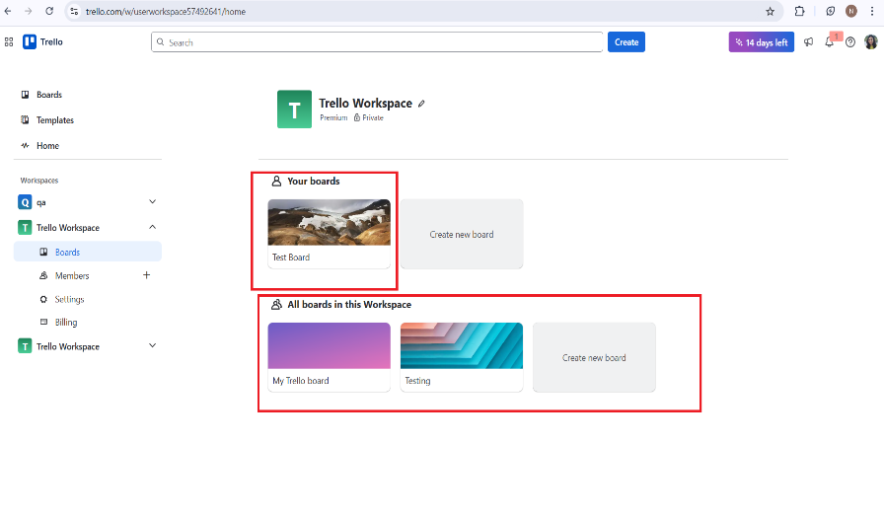
Bug_003 | Board list does not update dynamically after changes; requires manual refresh | Board Management | Trello (Web)-Chrome- Windows 11 | Admin or Member logged into Workspace with at least 1 board | 1. Login to Trello Workspace 2. Perform any board-related action: 3. Create a new board (including duplicate name scenario) 4. Rename a board 5. Delete a board 6. Click on the Trello logo to go back to dashboard 7. Observe the board list | Board list should dynamically reflect all changes (new, renamed, deleted boards) without manual refresh | Button is labeled or functions as Create, not Search | Medium | P2 | https://drive.google.com/drive/folders/1tn2rCkfu8AiNi9HoLk_pfAPOrQZheFj4
Bug_004 | “Create” button displayed instead of “Search” in search bar | UI / Navigation | Trello (Web)-Chrome- Windows 11 | User logged into Trello Workspace | 1. Log in to Trello Workspace 2. Locate the search bar at the top of the page 3. Observe the button beside the search input | The button next to the search bar should be labeled or function as Search | Button is labeled or functions as Create, not Search | Low | P2 | 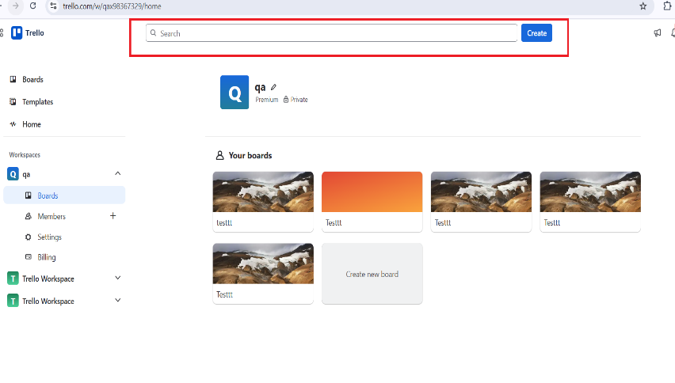
Bug_005 | Member can unassign self and reassign admin on tasks created by Admin | Task Management / RBAC | Trello (Web)-Chrome- Windows 11 | Admin has created a task and assigned a member | 1. Admin creates a task and assigns it to Member A 2.Login as Member A 3. Open the task → Remove self from assignment → Assign Admin | 1. Members should not be able to remove themselves or reassign the task to Admin 2. Only Admin (or allowed roles) can manage task assignments | Member successfully unassigns self and assigns Admin | High (RBAC / security issue) | P0 | https://drive.google.com/drive/folders/1tn2rCkfu8AiNi9HoLk_pfAPOrQZheFj4
Bug_006 | Admin can set task due date to a past date | Task Management / Validation | Trello (Web)-Chrome- Windows 11 | Admin logged in, board exists | 1.Log in as Admin 2. Open a board → Create a new task 3. Set the task due date to a past date 4. Save the task | 1. System should prevent setting a past due date or show a validation warning 2. Only current or future dates should be allowed (unless backdating is supported explicitly | Task is created with a past due date without warning | Medium | P3 | https://drive.google.com/drive/folders/1tn2rCkfu8AiNi9HoLk_pfAPOrQZheFj4
Bug_007 | Board creation restriction applied by Admin does not reflect instantly on Member account | Board Management → RBAC / Permission Sync | Trello (Web)-Chrome- Windows 11 | 1. Admin and Member accounts exist in the same Workspace 2. Member initially has permission to create boards | 1. Log in as Admin 2. Go to Workspace Settings → Change Member’s permission from “Allowed to create board” to “Restricted” 3. Immediately login as the Member 4. Attempt to create a new board | 1. Restriction should apply instantly 2. Member should not be able to create a new board after Admin revokes the permission | 1. Member is still able to create new boards for some time after the restriction is applied 2. The restriction takes effect only after some delay | High | P1 | https://drive.google.com/drive/folders/1tn2rCkfu8AiNi9HoLk_pfAPOrQZheFj4
Bug_008 | Non-US countries fail ZIP/postal code validation during billing | Billing / Payment Form | Trello (Web)-Chrome- Windows 11 | 1.User logged in 2. Attempting to upgrade membership / add payment method 3.Country selected is not US | 1.Log in to Trello 2. Navigate to Billing 3. Enter payment details and select a non-US country 4.Enter ZIP/postal code for that country | Form should accept valid ZIP/postal code formats for all supported countries | The error message is shown only for the US zip code limit | Medium | P3 | https://drive.google.com/drive/folders/1tn2rCkfu8AiNi9HoLk_pfAPOrQZheFj4
Bug_009 | Member task assignment conflict with concurrent edits | Task Management / Collaboration | Trello (Web)-Chrome- Windows 11 | Two users (Admin & Member) are logged in simultaneously Task already exists | 1. Admin edits a task → changes due date to “tomorrow” 2. At the same time, Member edits the same task → adds a comment or changes assignment 3. Both save changes nearly simultaneously | System handles concurrent updates gracefully Changes merged correctly or user receives warning: “Task was updated by another user” | Last save overwrites previous change (or inconsistent state appears) | High | P3 | https://drive.google.com/drive/folders/1tn2rCkfu8AiNi9HoLk_pfAPOrQZheFj4
Bug_010 | Task reassignment race condition | Task Management / Collaboration | Trello (Web)-Chrome- Windows 11 | A task exists on a board Admin and Members A & B are all logged in simultaneously Task is initially assigned to Member A | 1. Admin assigns a task to Member A Member A and Member B simultaneously try to 2.reassign the task to themselves | Only one reassignment succeeds System shows a conflict or last update warning | Both members see themselves assigned or last save overwrites the other | High | P2 | https://drive.google.com/drive/folders/1tn2rCkfu8AiNi9HoLk_pfAPOrQZheFj4
Bug_011 | Board deletion with active tasks | Board Management | Trello (Web)-Chrome- Windows 11 | Admin is logged in Board exists with one or more tasks assigned to members | 1. Admin creates a board with multiple tasks 2. Admin deletes the board without confirming task deletion | System prompts user about existing tasks Board deletion only proceeds after confirmation | Board deleted immediately; tasks disappear without warning | High | P1 | https://drive.google.com/drive/folders/1tn2rCkfu8AiNi9HoLk_pfAPOrQZheFj4

